001
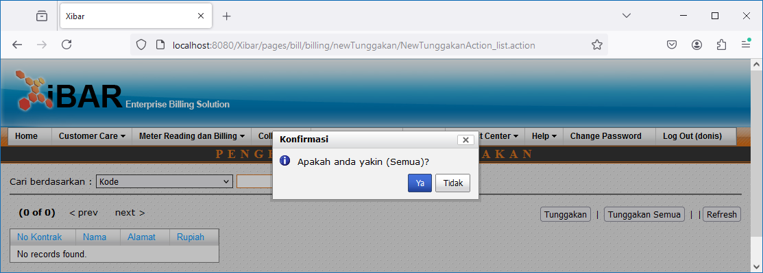
Debt Management | Pengesetan Data Tunggakan
http://localhost:8080/Xibar/pages/bill/billing/newTunggakan/NewTunggakanAction_list.action

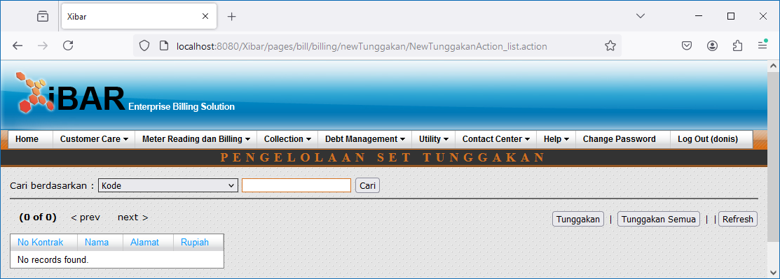

Tunggakan Semua

002
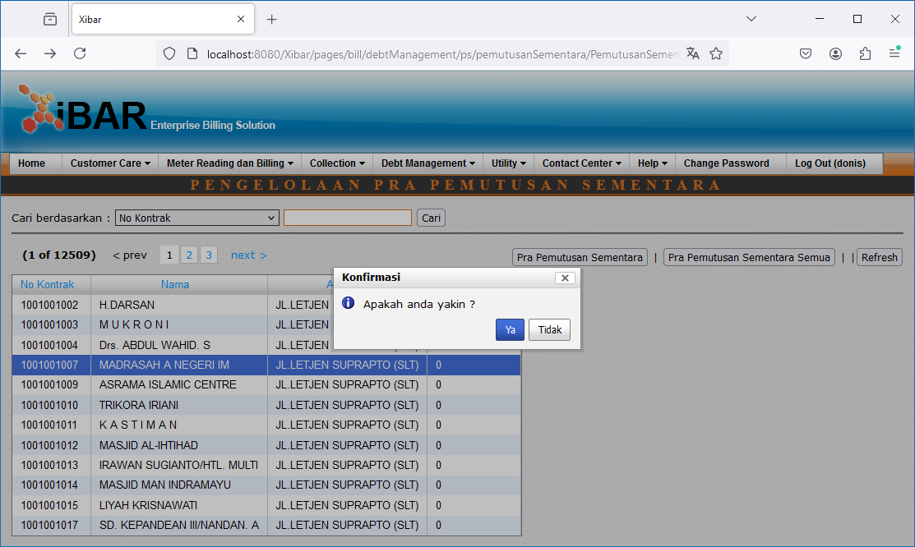
Debt Management | Penyegelan | Pendaftaran Penyegelan
http://localhost:8080/Xibar/pages/bill/debtManagement/ps/pemutusanSementara/PemutusanSementaraAction_list.action

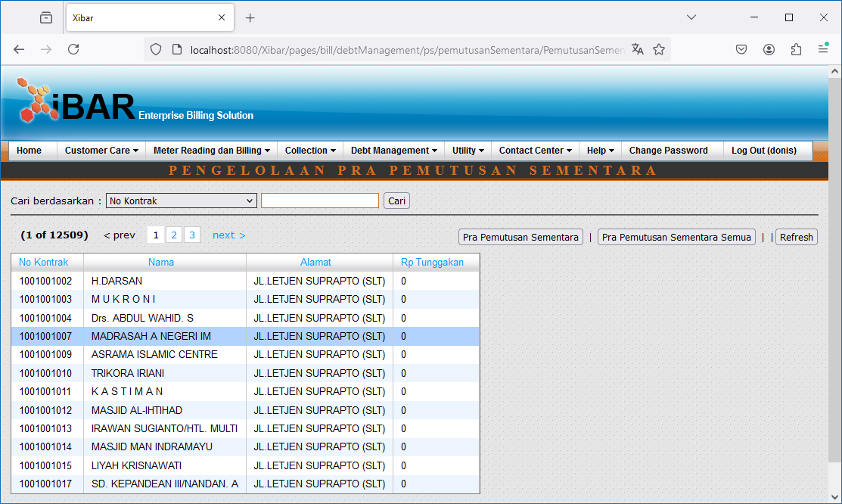

Perintah Kerja Semua

Double Click

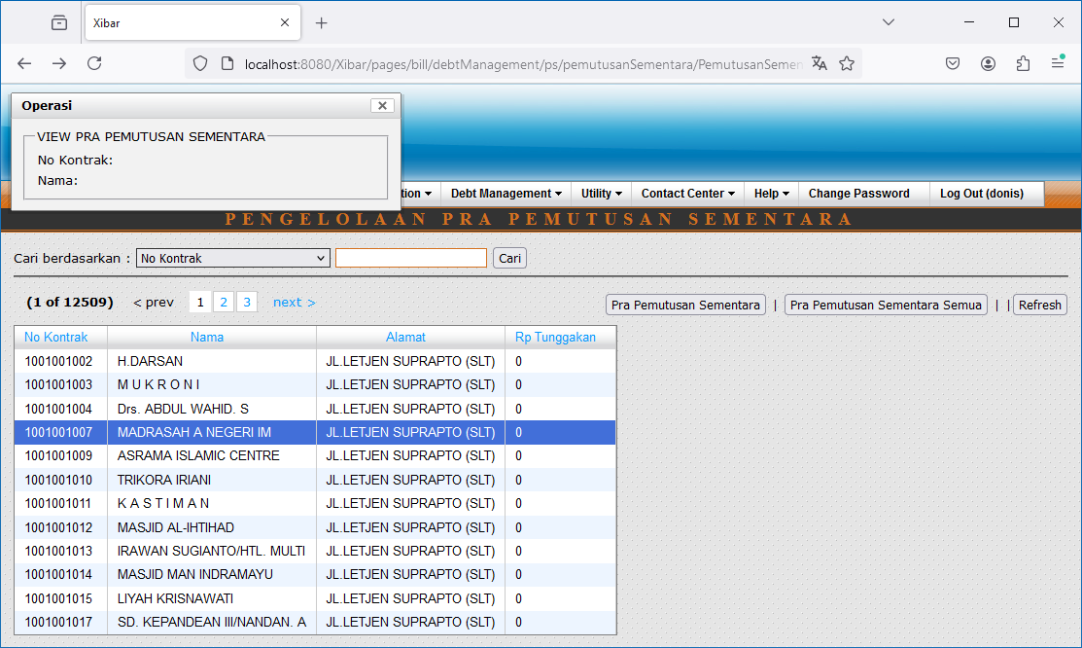

Pra Pemutusan Sementara // Pra Pemutusan Sementara Semua

003
Debt Management | Penyegelan | Pembuatan Surat Perintah Kerja (SPK) Penyegelan
http://localhost:8080/Xibar/pages/bill/debtManagement/ps/pkPS/PkPSAction_list.action

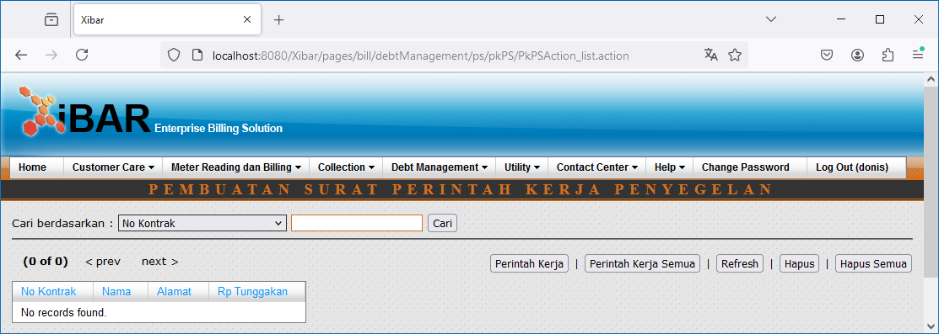

Perintah Kerja Semua

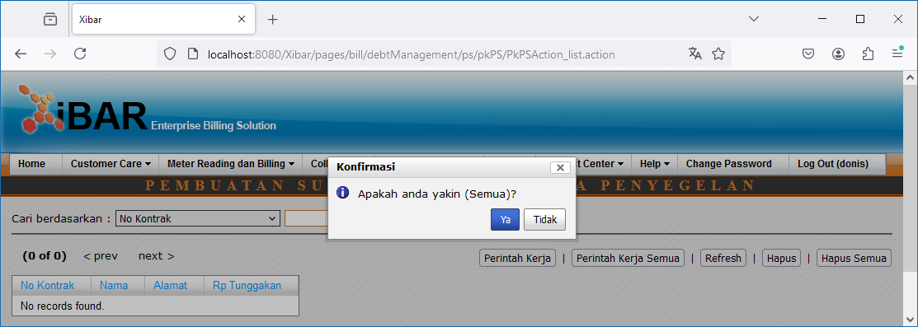

Hapus Semua

004
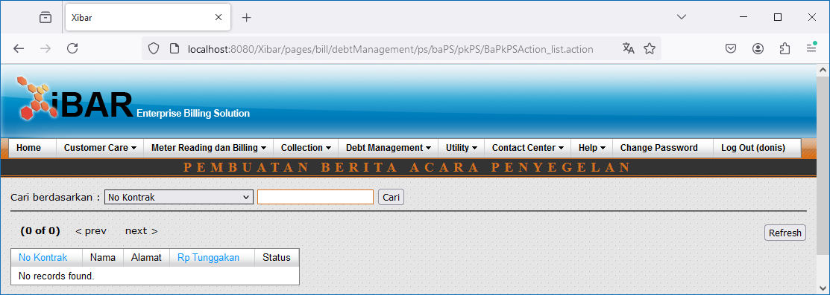
Debt Management | Penyegelan | Pembuatan Berta Acara (BA) Penyegelan
http://localhost:8080/Xibar/pages/bill/debtManagement/ps/baPS/pkPS/BaPkPSAction_list.action

006
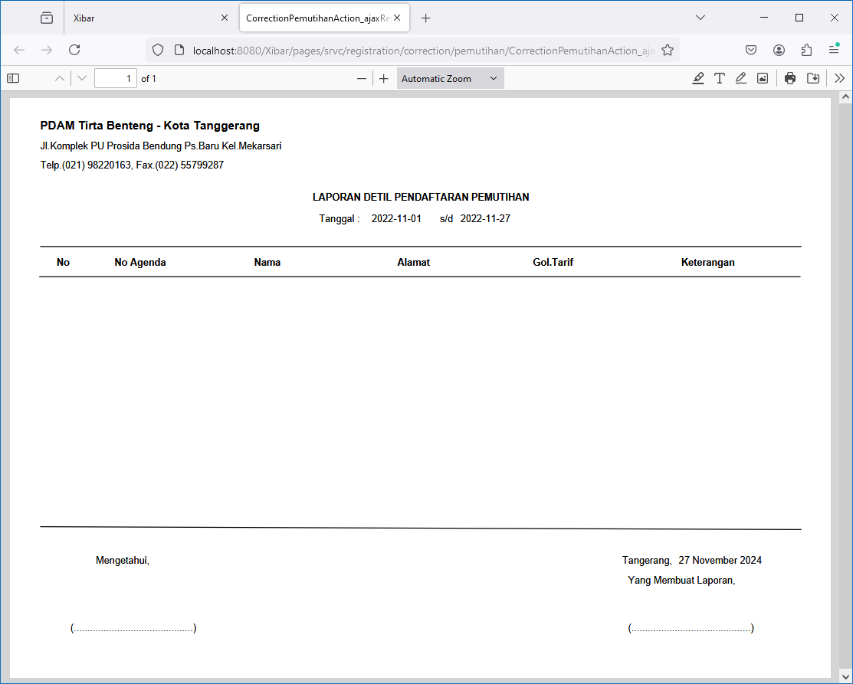
Debt Management | Pemutihan | Pendaftaran Pemutihan
http://localhost:8080/Xibar/pages/srvc/registration/correction/pemutihan/CorrectionPemutihanAction_list.action

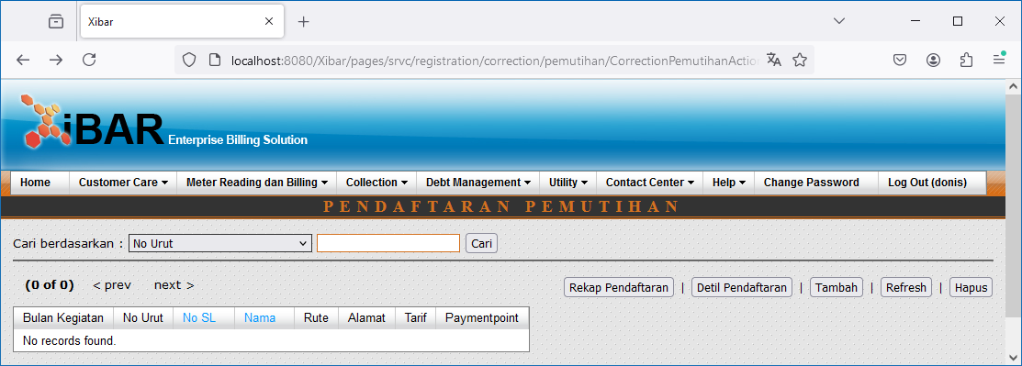

Tambah
http://localhost:8080/Xibar/pages/srvc/registration/correction/pemutihan/contract/CorrectionPemutihanContractRegistrationAction_list.action

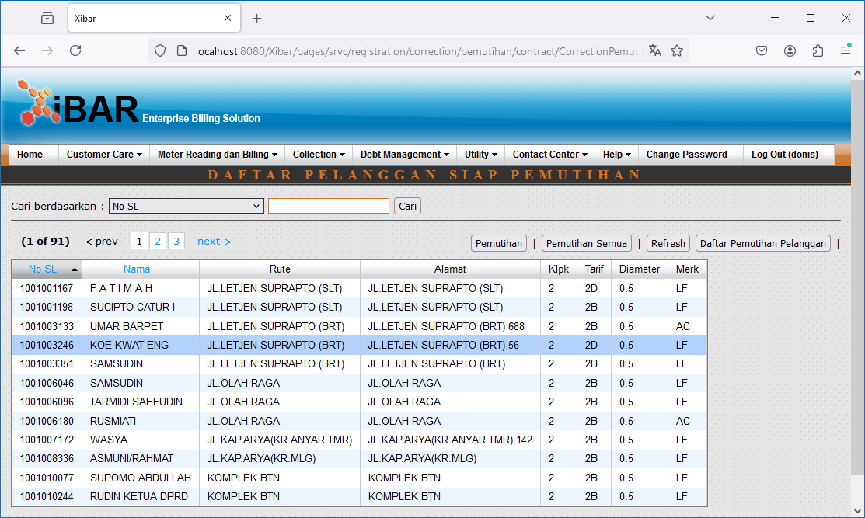

Double Click

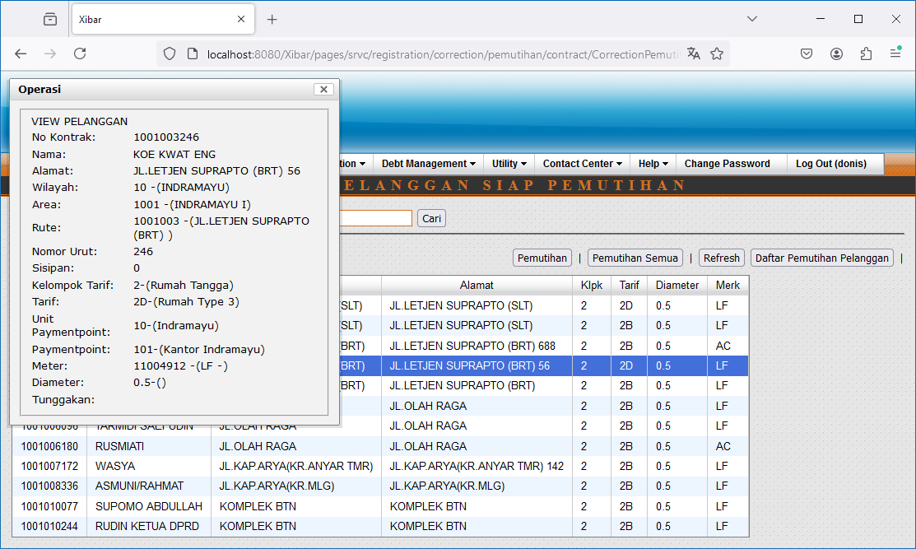

Pemutihan // Pemutihan Semua

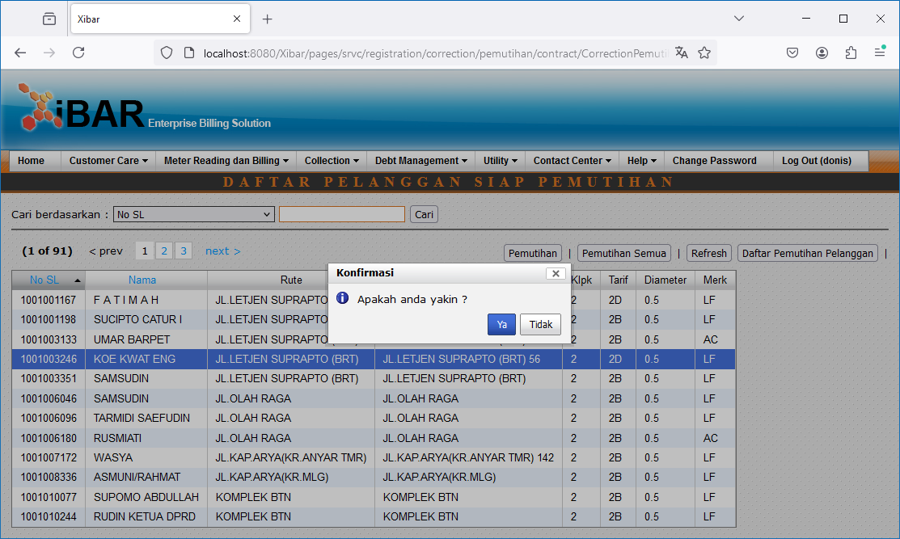

Rekap Pendaftaran // Detil Pendaftaran

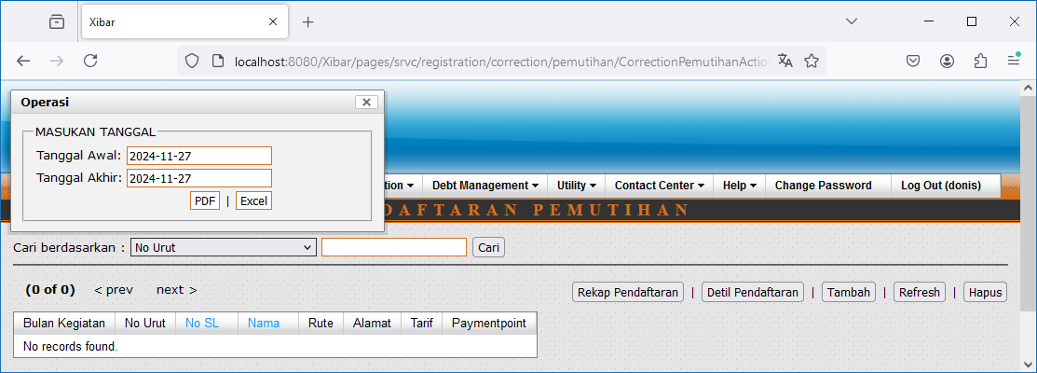

Rekap Pendaftaran
http://localhost:8080/Xibar/pages/srvc/registration/correction/pemutihan/CorrectionPemutihanAction_ajaxReportRekap.action?&tglAwal=2022-11-01&tglAkhir=2022-11-27

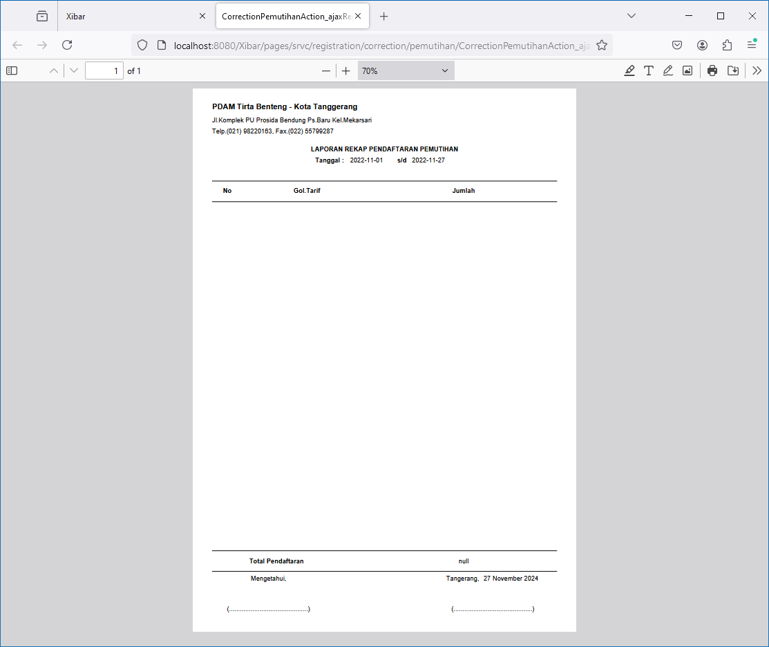

Detil Pendaftaran
http://localhost:8080/Xibar/pages/srvc/registration/correction/pemutihan/CorrectionPemutihanAction_ajaxReportDaftar.action?&tglAwal=2022-11-01&tglAkhir=2022-11-27

007
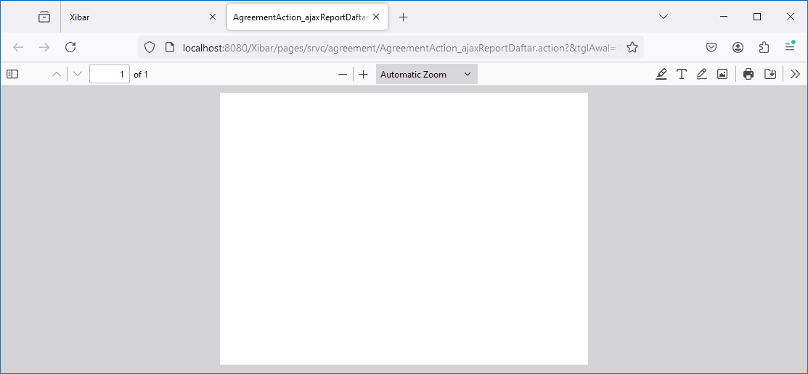
Debt Management | Pemutihan | Pengesahan Pemutihan
http://localhost:8080/Xibar/pages/srvc/agreement/AgreementAction_list.action?changeCode=X

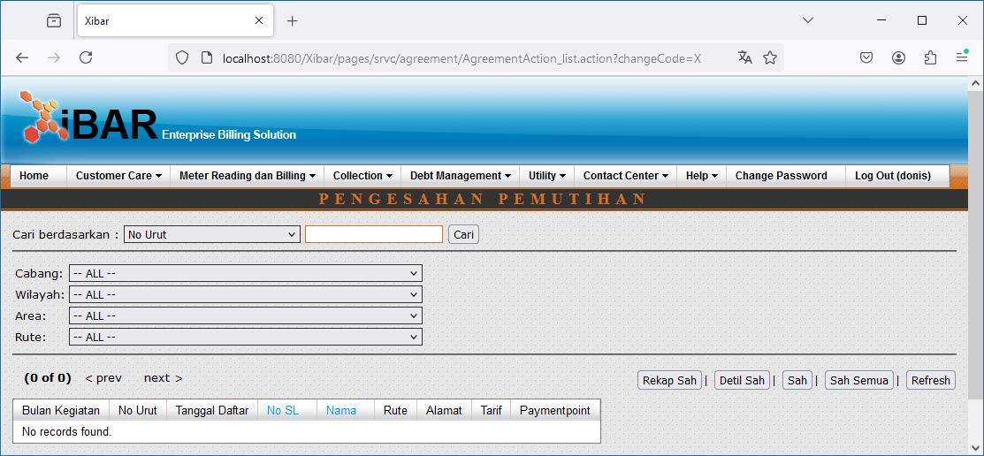

Sah Semua

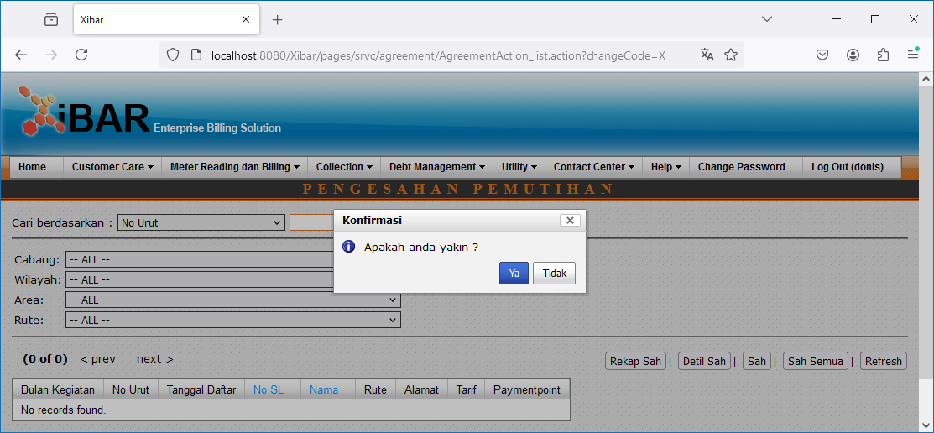

Rekap Sah // Detil Sah

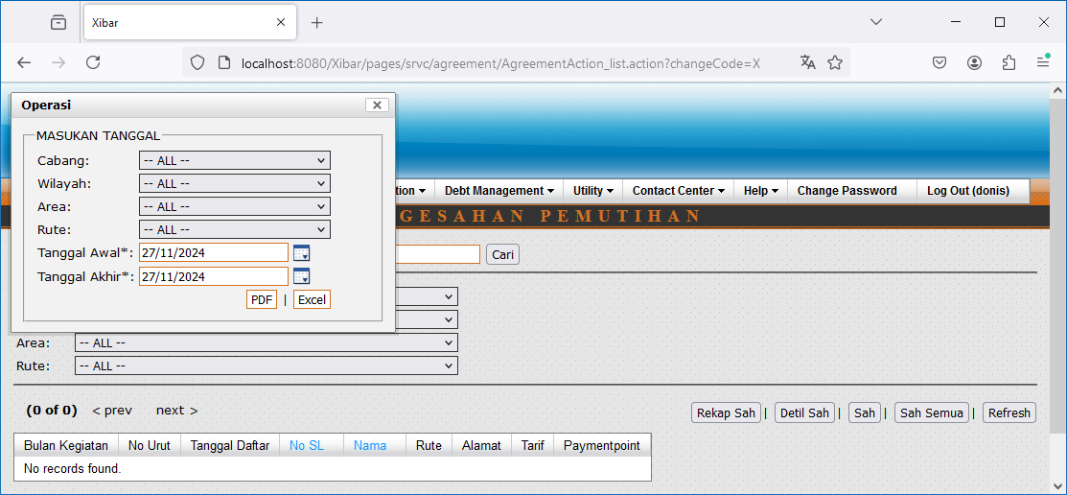

Rekap Sah
http://localhost:8080/Xibar/pages/srvc/agreement/AgreementAction_ajaxReportRekap.action?&tglAwal=11/01/2022&tglAkhir=11/27/2022&changeCode=X&zoneId=0&areaGroupCode=none&routeGroupCode=none&routeId=none

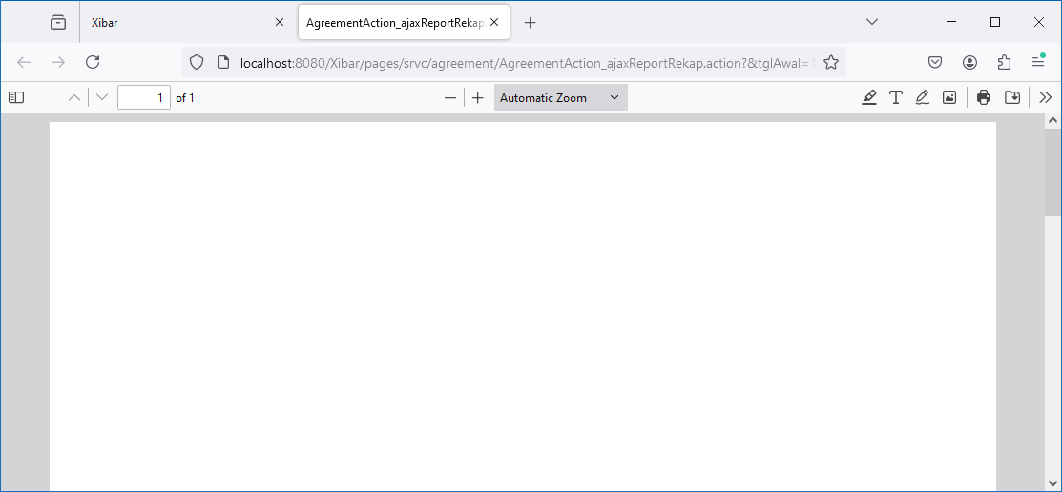

Detil Sah
http://localhost:8080/Xibar/pages/srvc/agreement/AgreementAction_ajaxReportDaftar.action?&tglAwal=11/01/2022&tglAkhir=11/27/2022&changeCode=X&zoneId=0&areaGroupCode=none&routeGroupCode=none&routeId=none

008
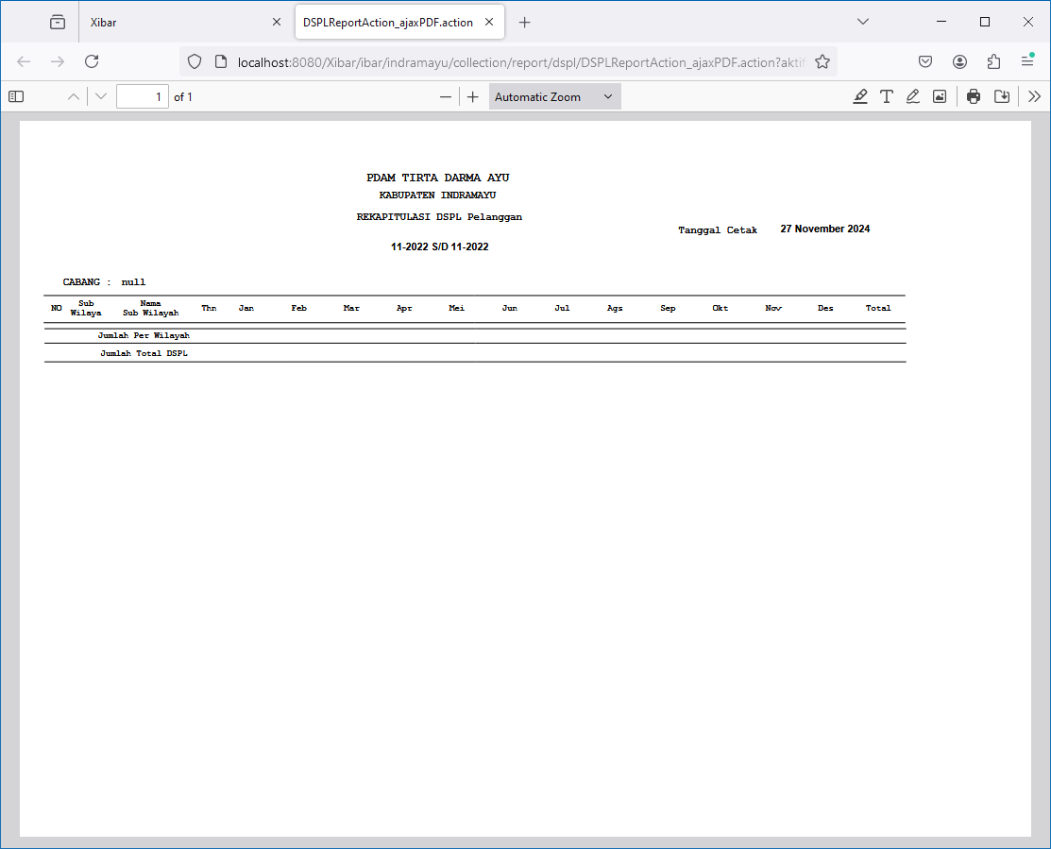
Debt Management | Daftar Saldo Pelanggan(DSPL) | Rekap
http://localhost:8080/Xibar/ibar/indramayu/collection/report/dspl/DSPLReportAction_list.action

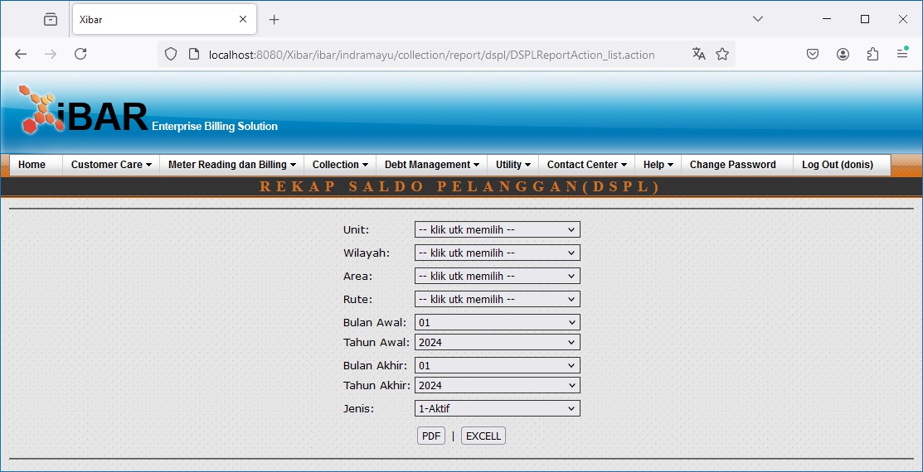

Aktif
http://localhost:8080/Xibar/ibar/indramayu/collection/report/dspl/DSPLReportAction_ajaxPDF.action?aktif=1&zoneId=20&areaGroupCode=20%20%20%20%20%20%20%20%20%20%20&routeGroupCode=2001%20%20%20%20%20%20%20%20&routeId=2001001%20%20%20%20%20&tahunAwal=2022&tahunAkhir=2022&bulanAwal=11&bulanAkhir=11

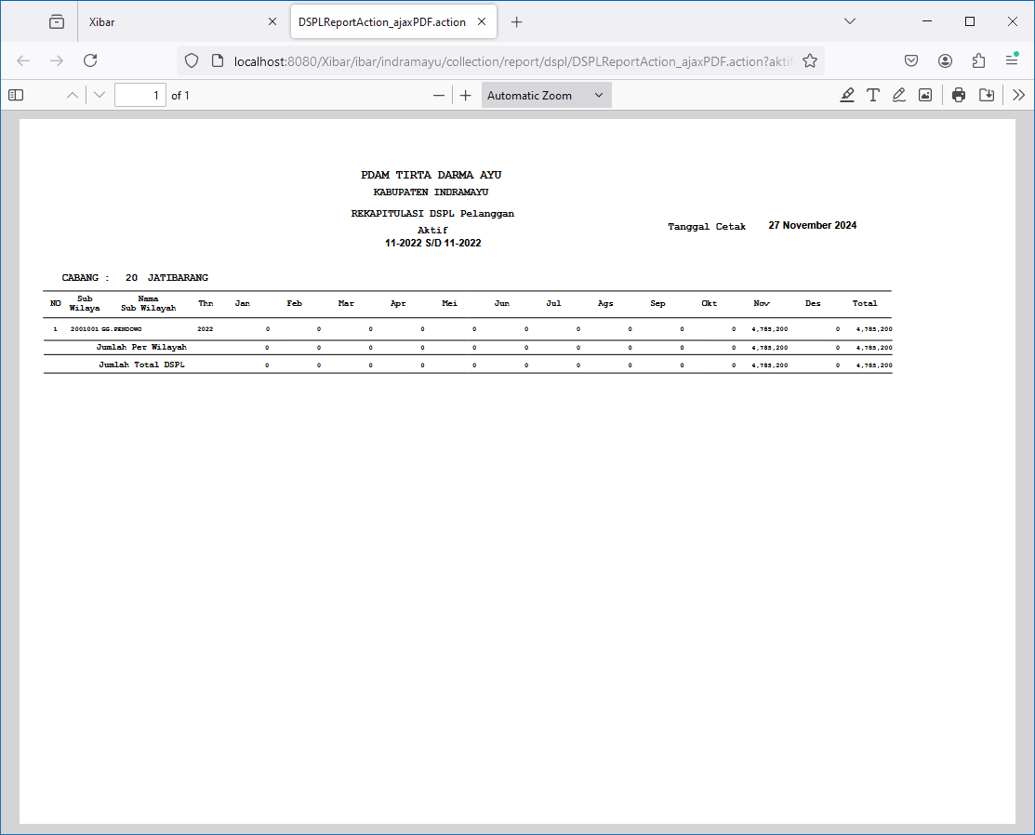

Non Aktif
http://localhost:8080/Xibar/ibar/indramayu/collection/report/dspl/DSPLReportAction_ajaxPDF.action?aktif=0&zoneId=20&areaGroupCode=20%20%20%20%20%20%20%20%20%20%20&routeGroupCode=2001%20%20%20%20%20%20%20%20&routeId=2001001%20%20%20%20%20&tahunAwal=2022&tahunAkhir=2022&bulanAwal=11&bulanAkhir=11

009
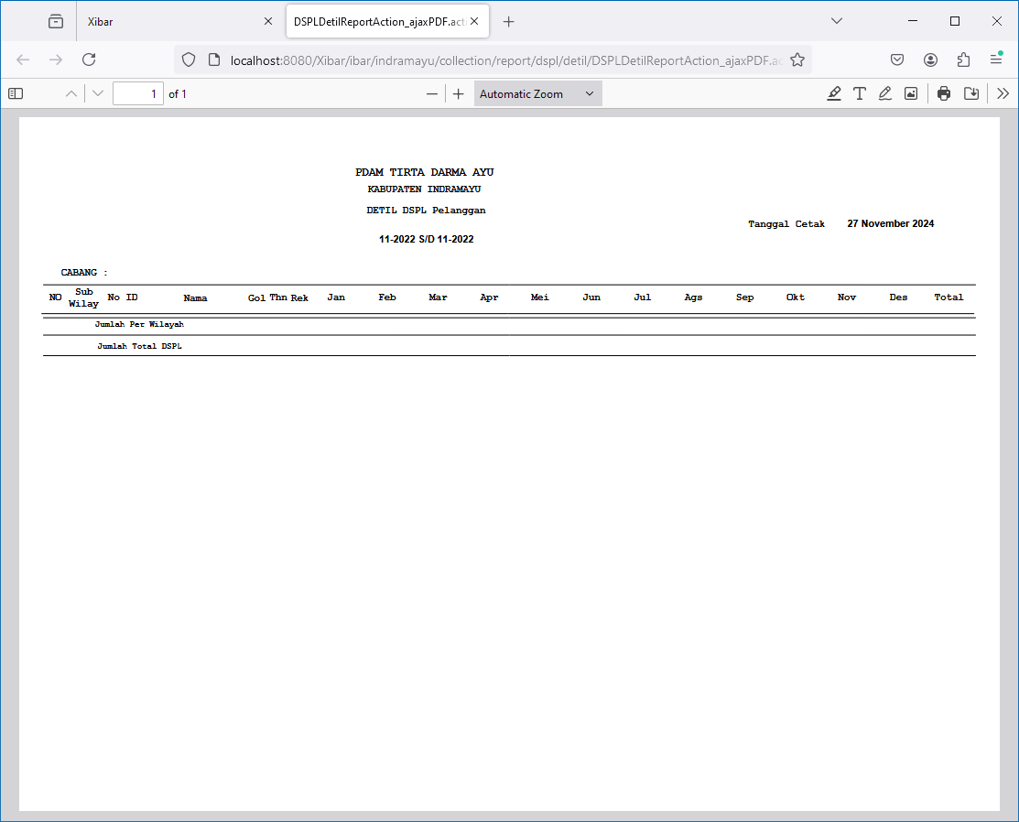
Debt Management | Daftar Saldo Pelanggan(DSPL) | Detil
http://localhost:8080/Xibar/ibar/indramayu/collection/report/dspl/detil/DSPLDetilReportAction_list.action

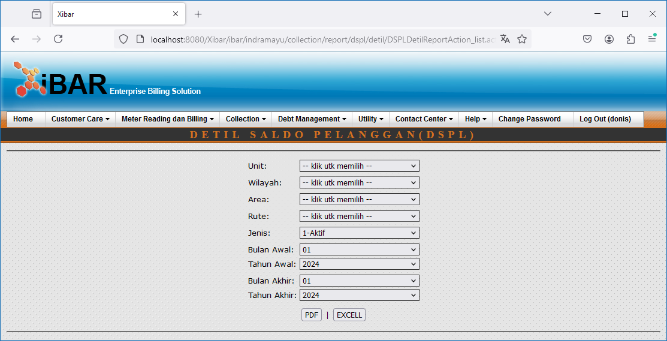

Aktif
http://localhost:8080/Xibar/ibar/indramayu/collection/report/dspl/detil/DSPLDetilReportAction_ajaxPDF.action?aktif=1&zoneId=20&areaGroupCode=20%20%20%20%20%20%20%20%20%20%20&routeGroupCode=2001%20%20%20%20%20%20%20%20&routeId=2001001%20%20%20%20%20&tahunAwal=2022&tahunAkhir=2022&bulanAwal=11&bulanAkhir=11

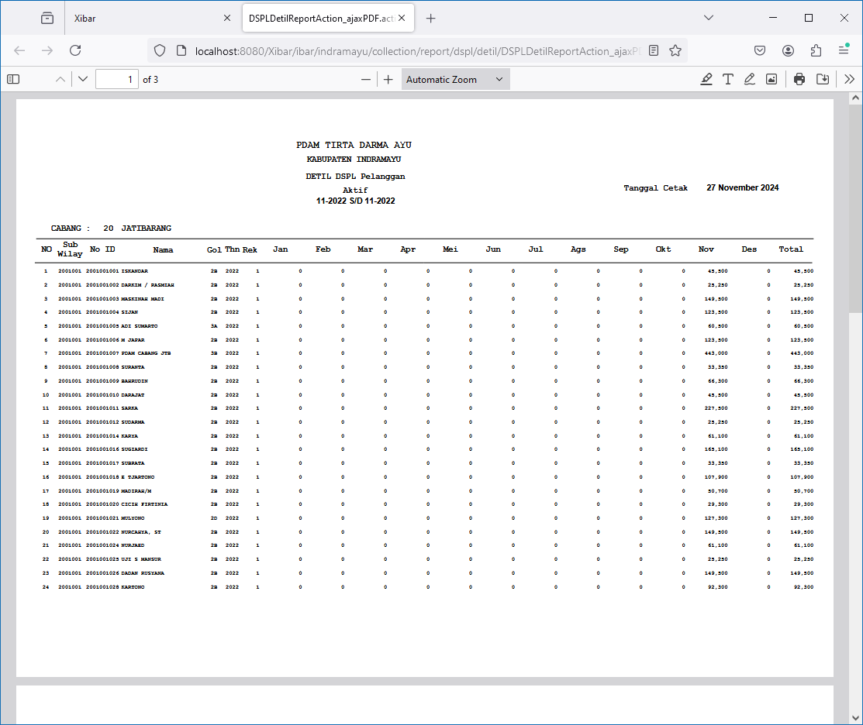

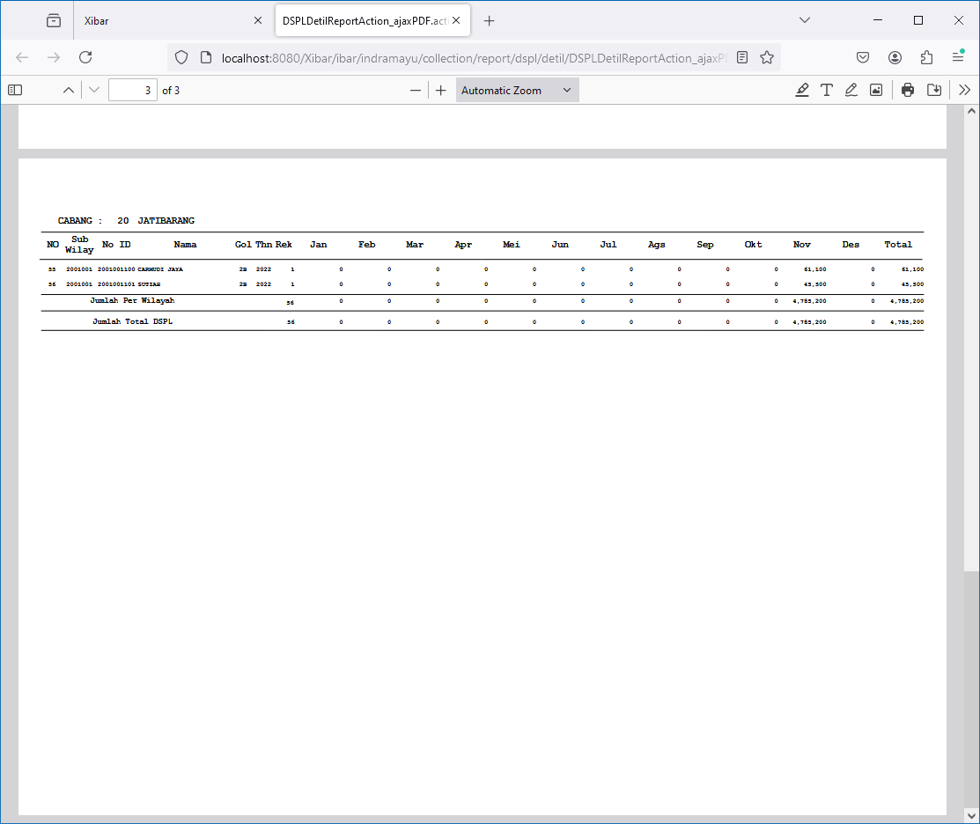

Non Aktif
http://localhost:8080/Xibar/ibar/indramayu/collection/report/dspl/detil/DSPLDetilReportAction_ajaxPDF.action?aktif=0&zoneId=20&areaGroupCode=20%20%20%20%20%20%20%20%20%20%20&routeGroupCode=2001%20%20%20%20%20%20%20%20&routeId=2001001%20%20%20%20%20&tahunAwal=2022&tahunAkhir=2022&bulanAwal=11&bulanAkhir=11

010
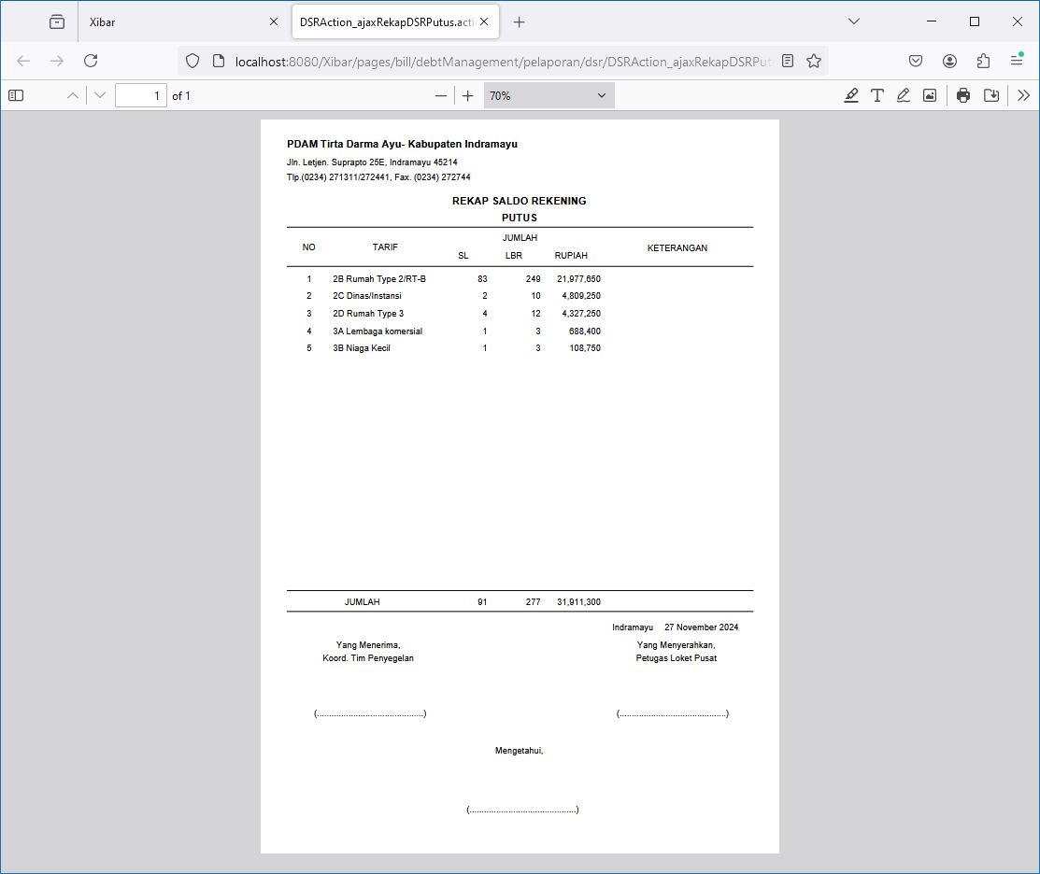
Debt Management | Daftar Saldo Rekening(DSR)
http://localhost:8080/Xibar/pages/bill/debtManagement/pelaporan/dsr/DSRAction_listbyzone.action

Detil DSR
http://localhost:8080/Xibar/pages/bill/debtManagement/pelaporan/dsr/DSRAction_ajaxDetilDSR.action?zoneId=20

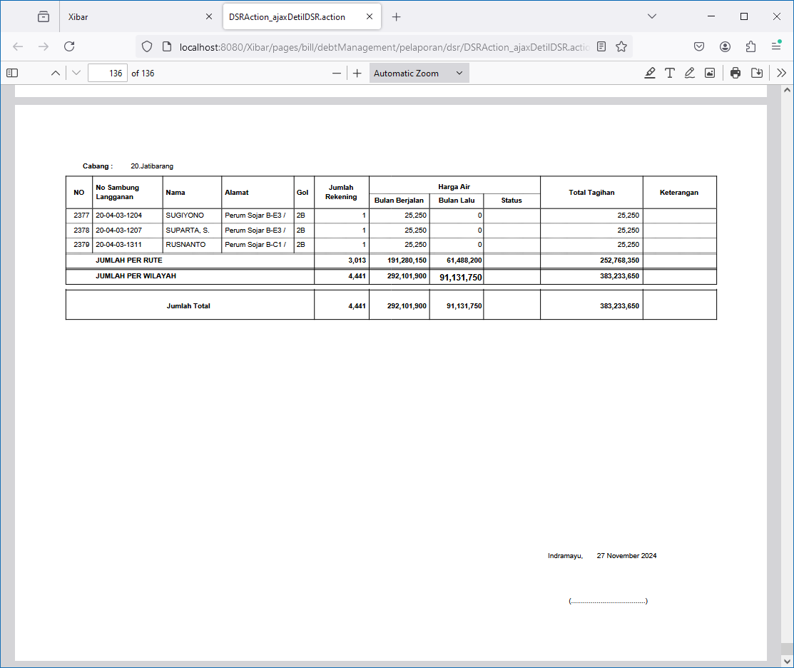
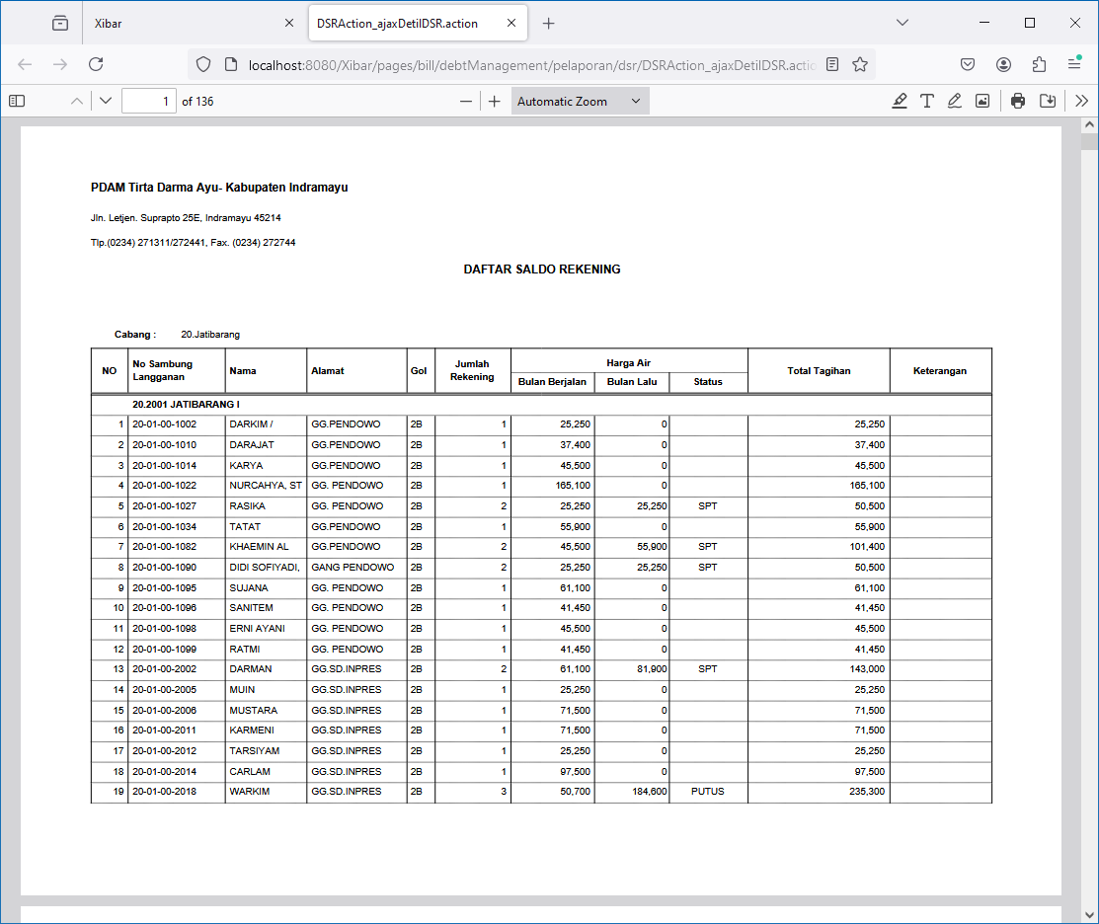

Rekap DSR
http://localhost:8080/Xibar/pages/bill/debtManagement/pelaporan/dsr/DSRAction_ajaxRekapDSR.action?zoneId=20

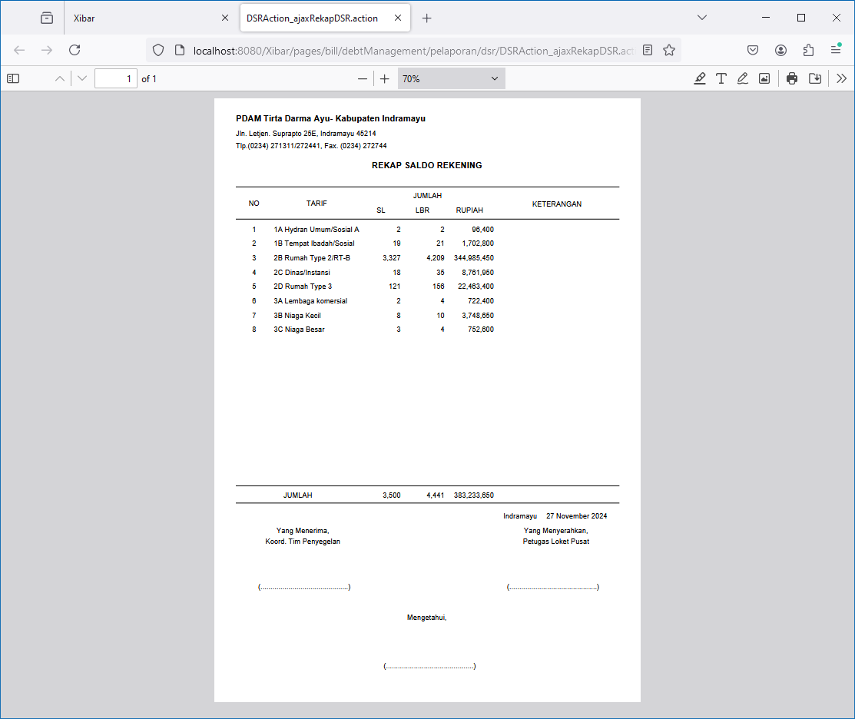

Detil DSR SPT
http://localhost:8080/Xibar/pages/bill/debtManagement/pelaporan/dsr/DSRAction_ajaxDetilDSRSPT.action?zoneId=20

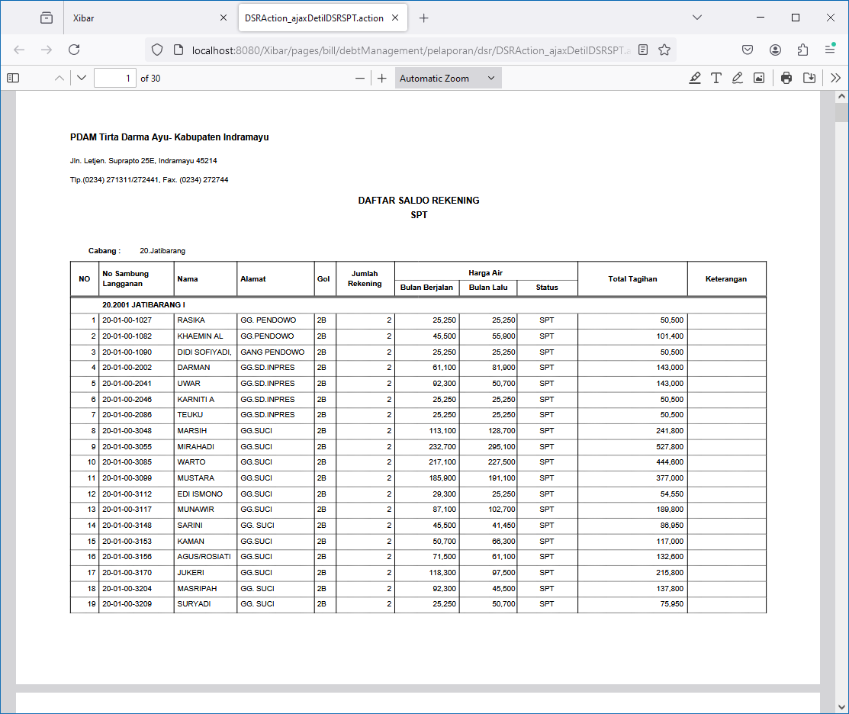

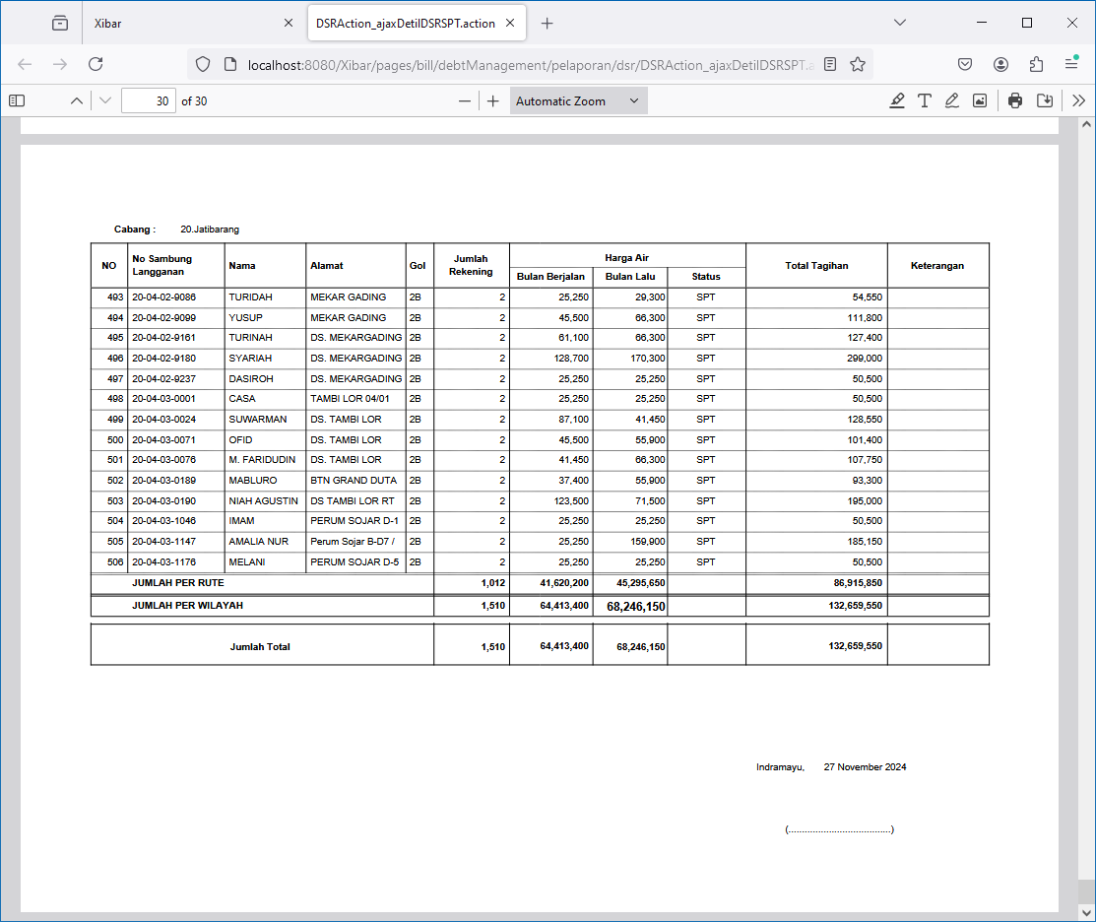

Detil DSR PUTUS
http://localhost:8080/Xibar/pages/bill/debtManagement/pelaporan/dsr/DSRAction_ajaxDetilDSRPutus.action?zoneId=20

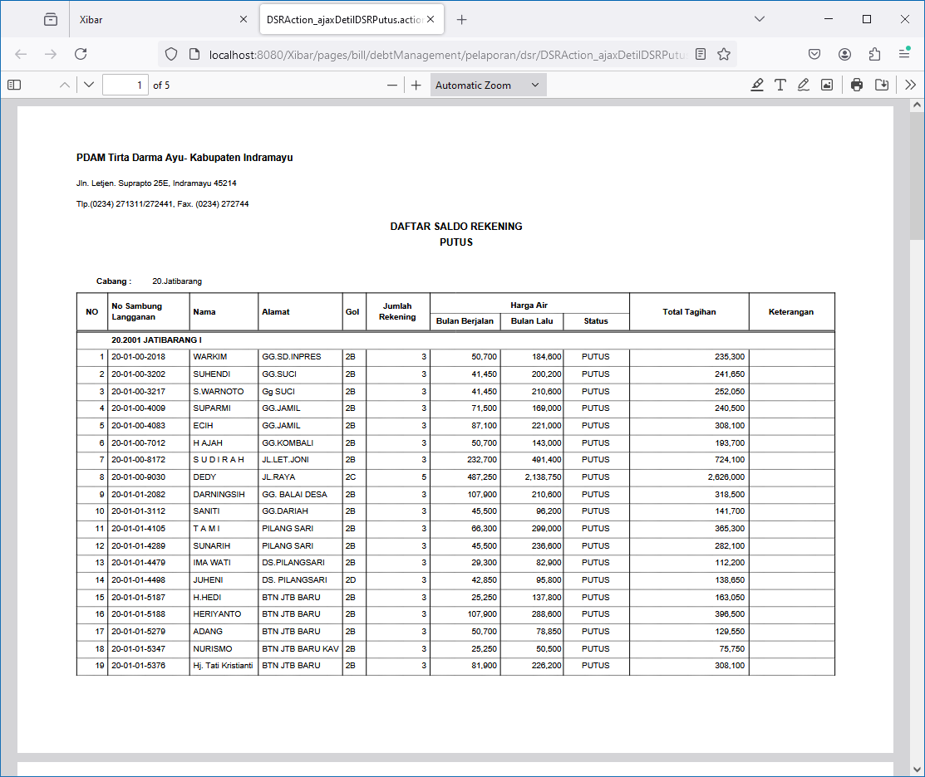
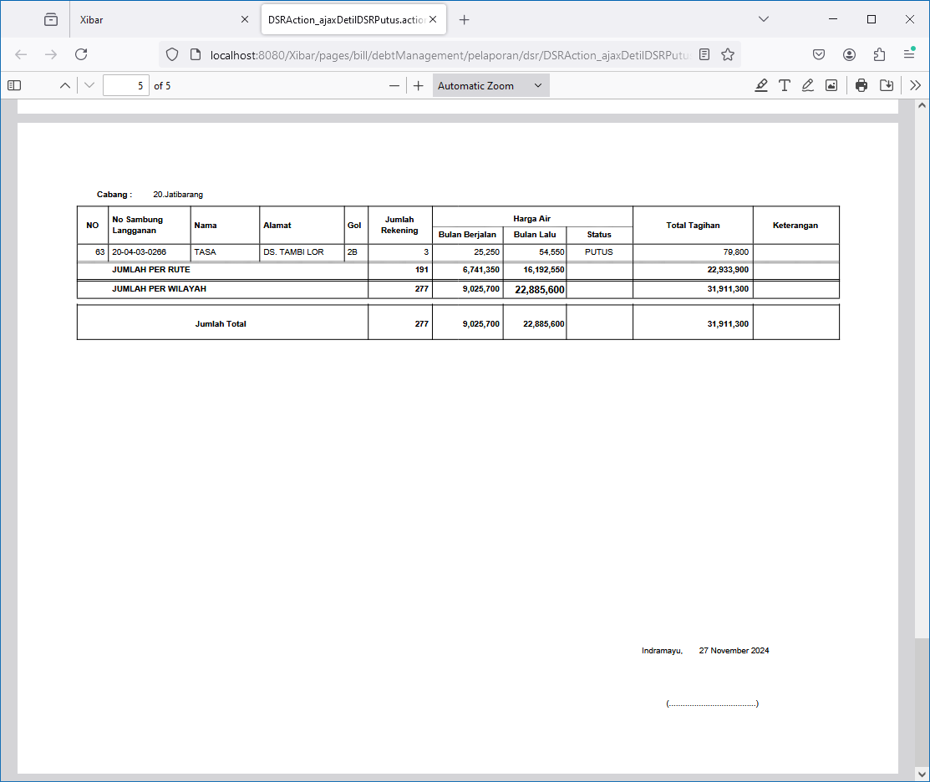

Rekap DSR PUTUS
http://localhost:8080/Xibar/pages/bill/debtManagement/pelaporan/dsr/DSRAction_ajaxRekapDSRPutus.action?zoneId=20

014
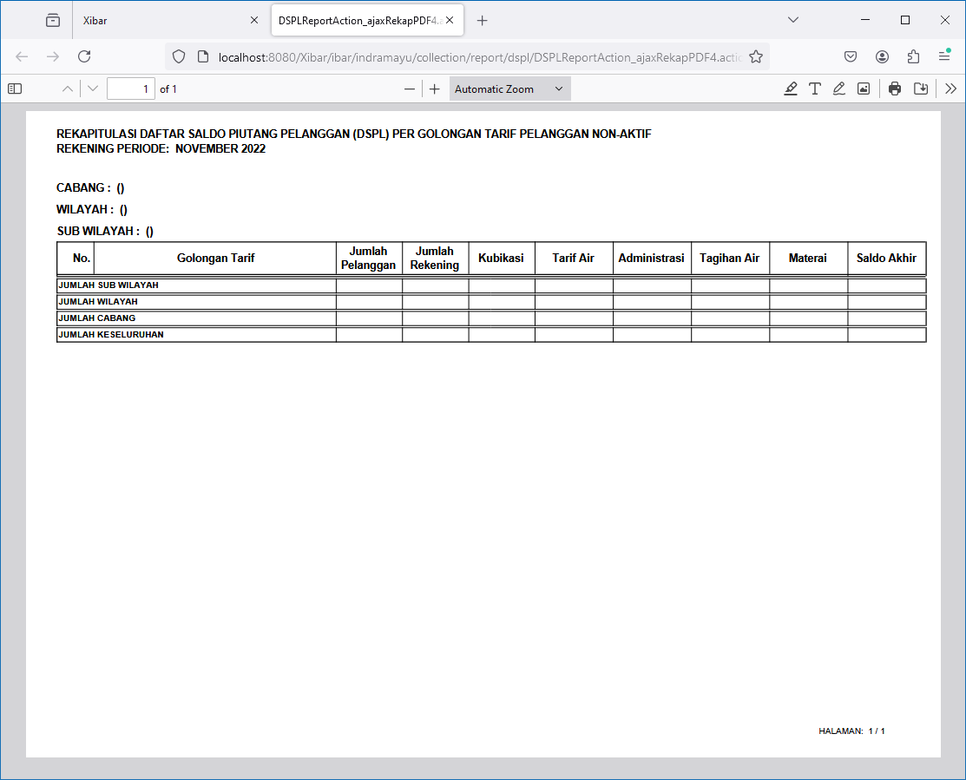
Debt Management | DSPL & DSR | Rekap Per Golongan Tarif
http://localhost:8080/Xibar/ibar/indramayu/collection/report/dspl/DSPLReportAction_listRekap.action

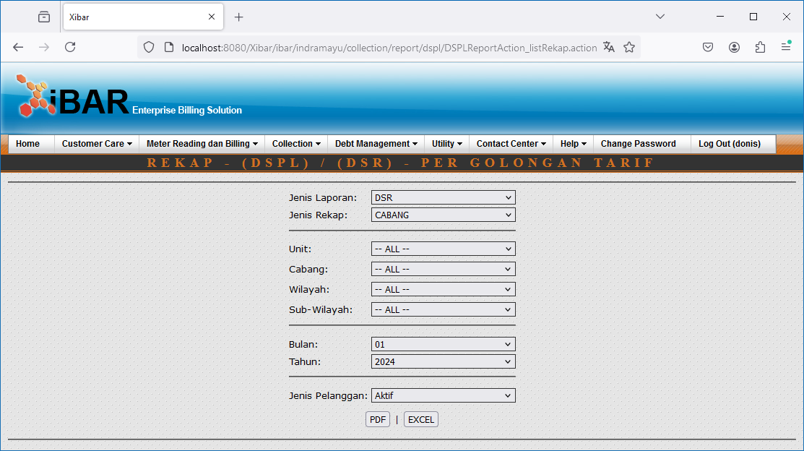

DSR | CABANG | Aktif | DSR | CABANG | Non Aktif
http://localhost:8080/Xibar/ibar/indramayu/collection/report/dspl/DSPLReportAction_ajaxRekapPDF2.action?aktif=1&tahunAwal=2022&bulanAwal=11&jenisLaporan=1&jenisRekap=2 | http://localhost:8080/Xibar/ibar/indramayu/collection/report/dspl/DSPLReportAction_ajaxRekapPDF2.action?aktif=0&tahunAwal=2022&bulanAwal=11&jenisLaporan=1&jenisRekap=2

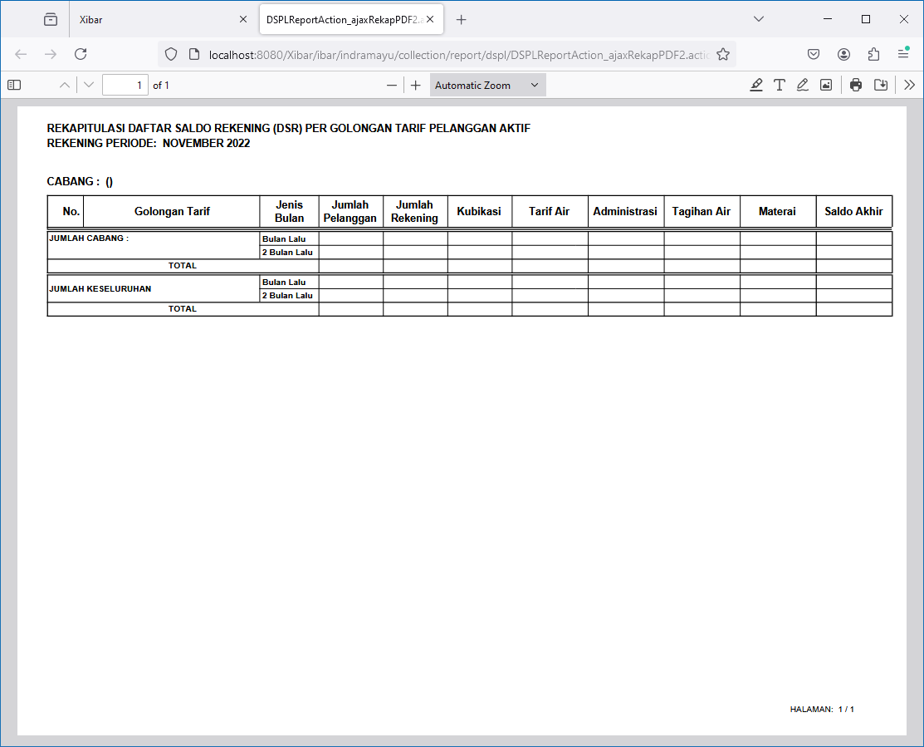
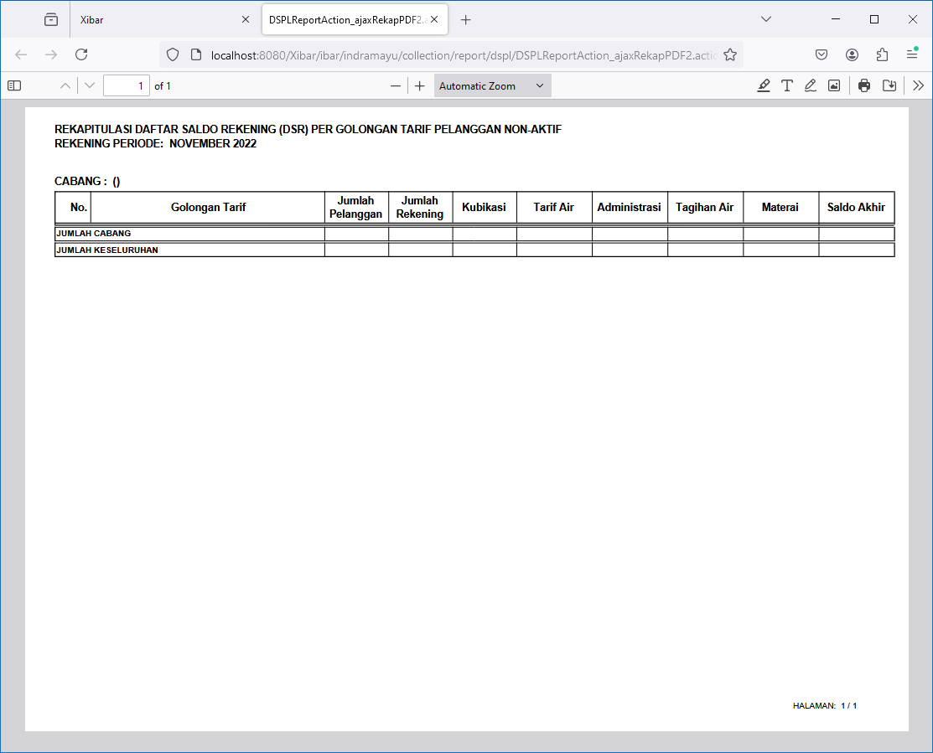

DSR | WILAYAH | Aktif | DSR | WILAYAH | Non Aktif
http://localhost:8080/Xibar/ibar/indramayu/collection/report/dspl/DSPLReportAction_ajaxRekapPDF3.action?aktif=1&tahunAwal=2022&bulanAwal=11&jenisLaporan=1&jenisRekap=3 | http://localhost:8080/Xibar/ibar/indramayu/collection/report/dspl/DSPLReportAction_ajaxRekapPDF3.action?aktif=0&tahunAwal=2022&bulanAwal=11&jenisLaporan=1&jenisRekap=3

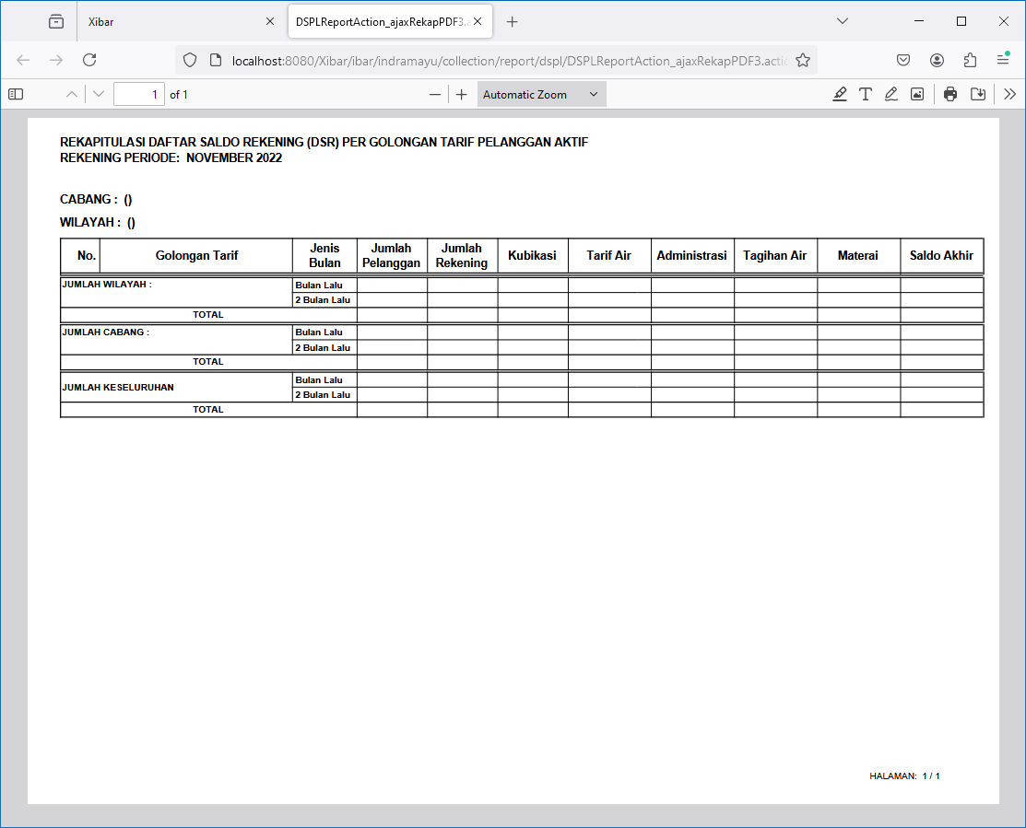
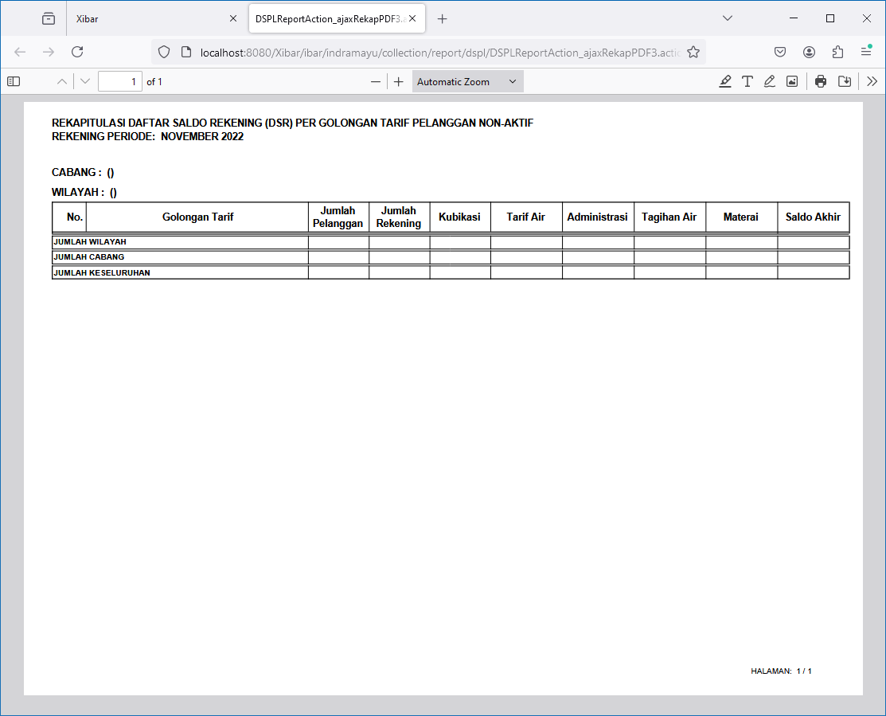

DSR | SUB-WILAYAH | Aktif | DSR | SUB-WILAYAH | Non Aktif
http://localhost:8080/Xibar/ibar/indramayu/collection/report/dspl/DSPLReportAction_ajaxRekapPDF4.action?aktif=1&tahunAwal=2022&bulanAwal=11&jenisLaporan=1&jenisRekap=4 | http://localhost:8080/Xibar/ibar/indramayu/collection/report/dspl/DSPLReportAction_ajaxRekapPDF4.action?aktif=0&tahunAwal=2022&bulanAwal=11&jenisLaporan=1&jenisRekap=4

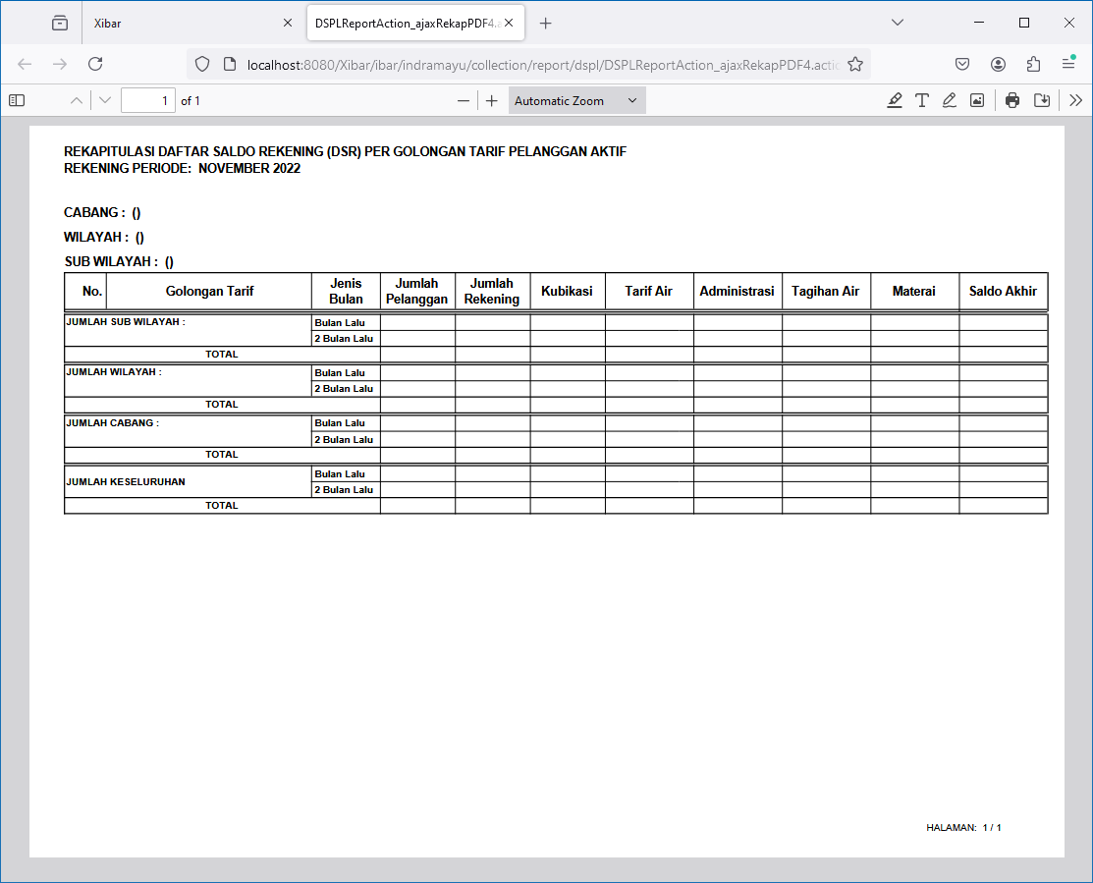
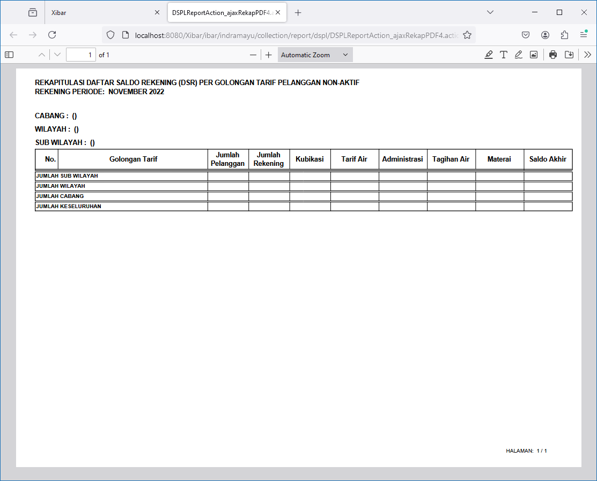

DSPL | CABANG | Aktif | DSPL | CABANG | Non Aktif
http://localhost:8080/Xibar/ibar/indramayu/collection/report/dspl/DSPLReportAction_ajaxRekapPDF2.action?aktif=1&tahunAwal=2022&bulanAwal=11&jenisLaporan=2&jenisRekap=2 | http://localhost:8080/Xibar/ibar/indramayu/collection/report/dspl/DSPLReportAction_ajaxRekapPDF2.action?aktif=0&tahunAwal=2022&bulanAwal=11&jenisLaporan=2&jenisRekap=2

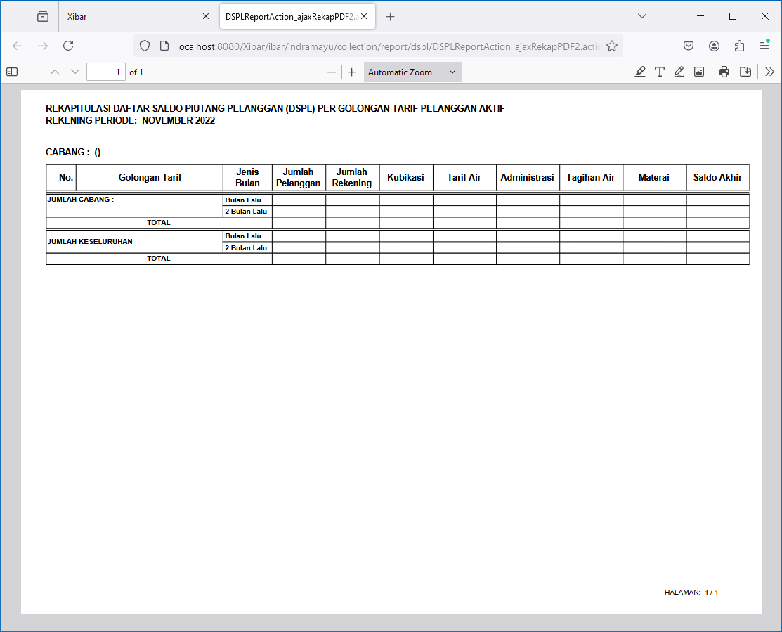
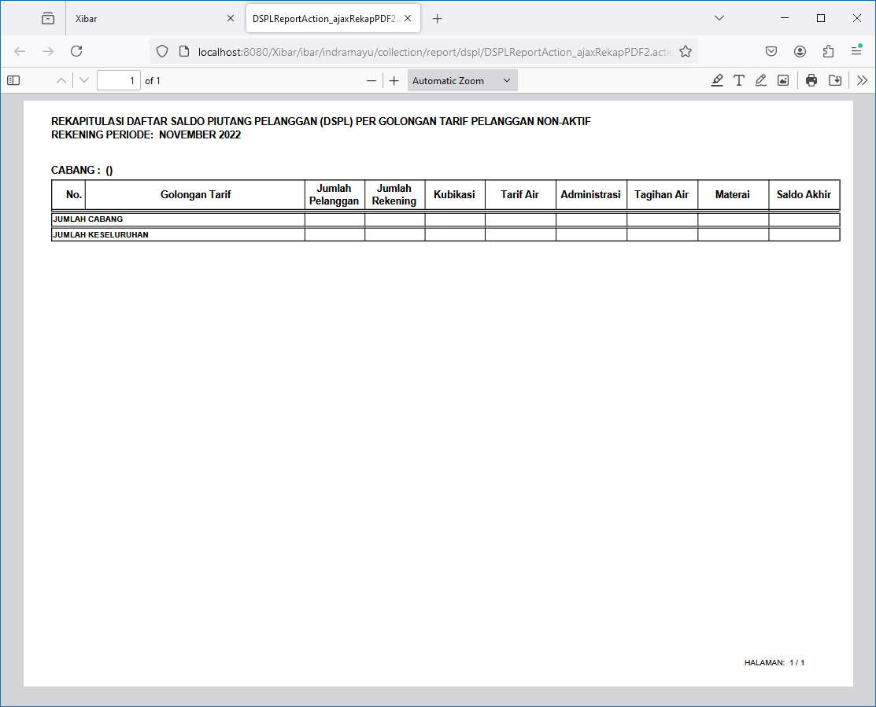

DSPL | WILAYAH | Aktif | DSPL | WILAYAH | Non Aktif
http://localhost:8080/Xibar/ibar/indramayu/collection/report/dspl/DSPLReportAction_ajaxRekapPDF3.action?aktif=1&tahunAwal=2022&bulanAwal=11&jenisLaporan=2&jenisRekap=3 | http://localhost:8080/Xibar/ibar/indramayu/collection/report/dspl/DSPLReportAction_ajaxRekapPDF3.action?aktif=0&tahunAwal=2022&bulanAwal=11&jenisLaporan=2&jenisRekap=3

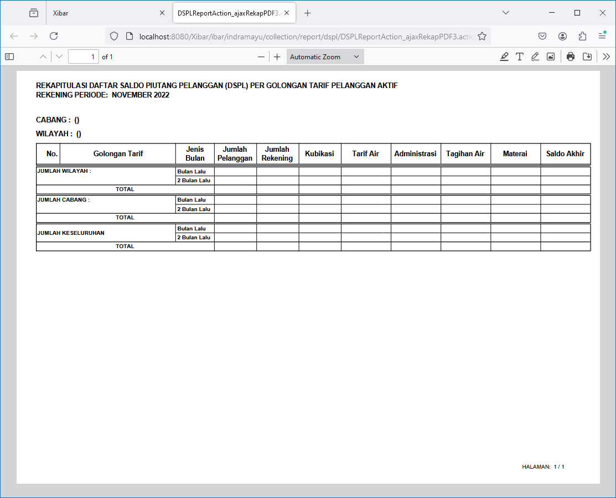
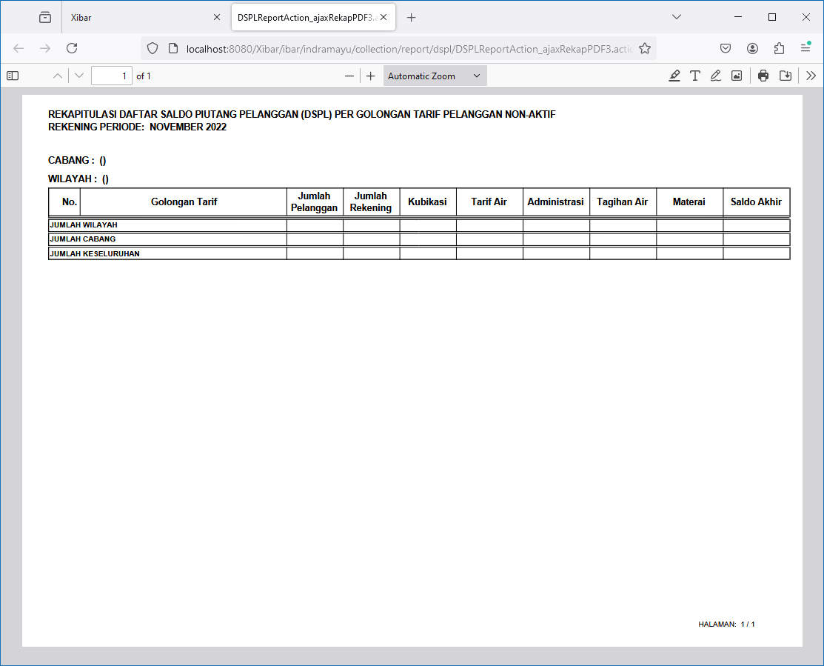

DSR | SUB-WILAYAH | Aktif | DSPL | SUB-WILAYAH | Non Aktif
http://localhost:8080/Xibar/ibar/indramayu/collection/report/dspl/DSPLReportAction_ajaxRekapPDF4.action?aktif=1&tahunAwal=2022&bulanAwal=11&jenisLaporan=2&jenisRekap=4 | http://localhost:8080/Xibar/ibar/indramayu/collection/report/dspl/DSPLReportAction_ajaxRekapPDF4.action?aktif=0&tahunAwal=2022&bulanAwal=11&jenisLaporan=2&jenisRekap=4

015
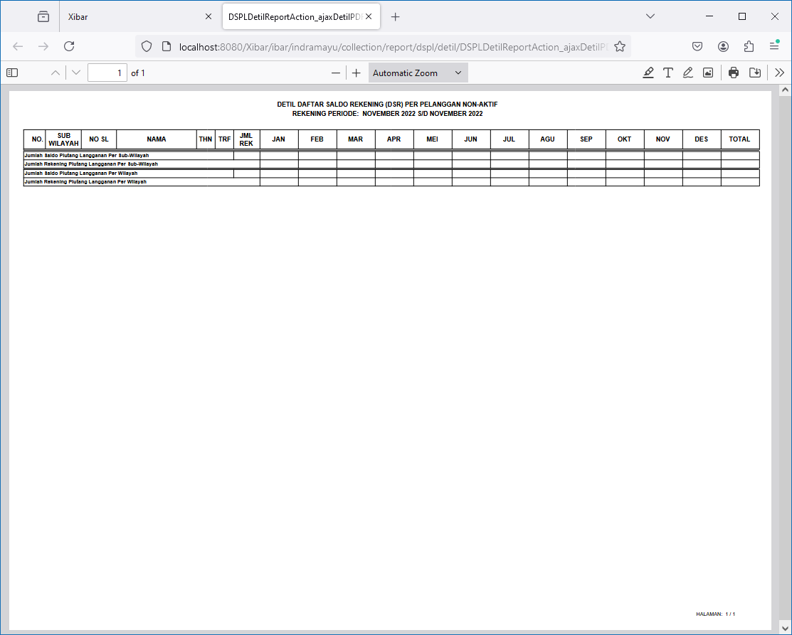
Debt Management | DSPL & DSR | Detil Per Pelanggan
http://localhost:8080/Xibar/ibar/indramayu/collection/report/dspl/detil/DSPLDetilReportAction_listDetil.action

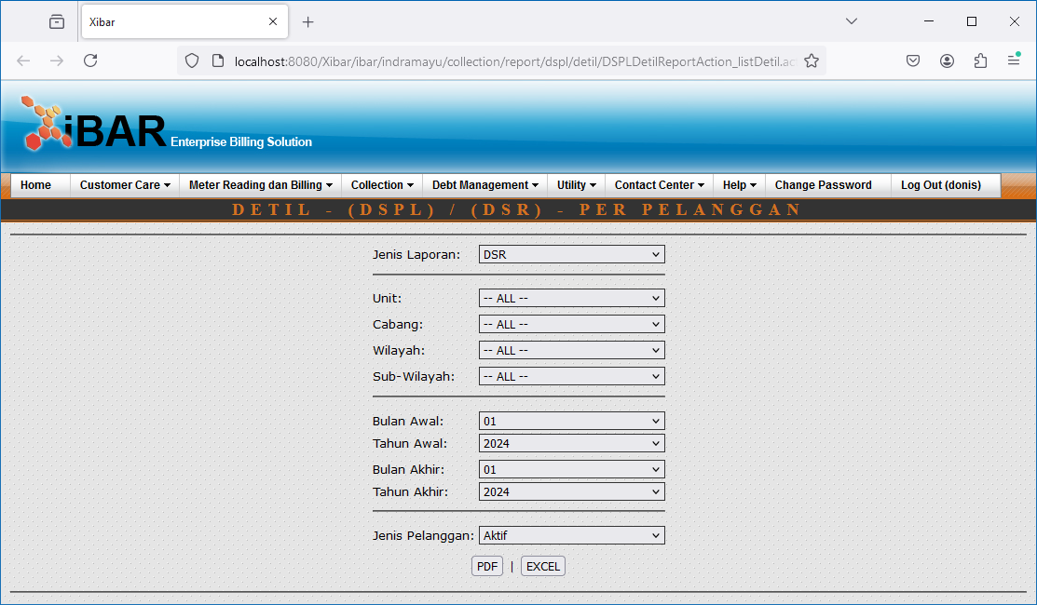

DSR | Aktif
http://localhost:8080/Xibar/ibar/indramayu/collection/report/dspl/detil/DSPLDetilReportAction_ajaxDetilPDF.action?aktif=1&tahunAwal=2022&tahunAkhir=2022&bulanAwal=11&bulanAkhir=11&jenisLaporan=1

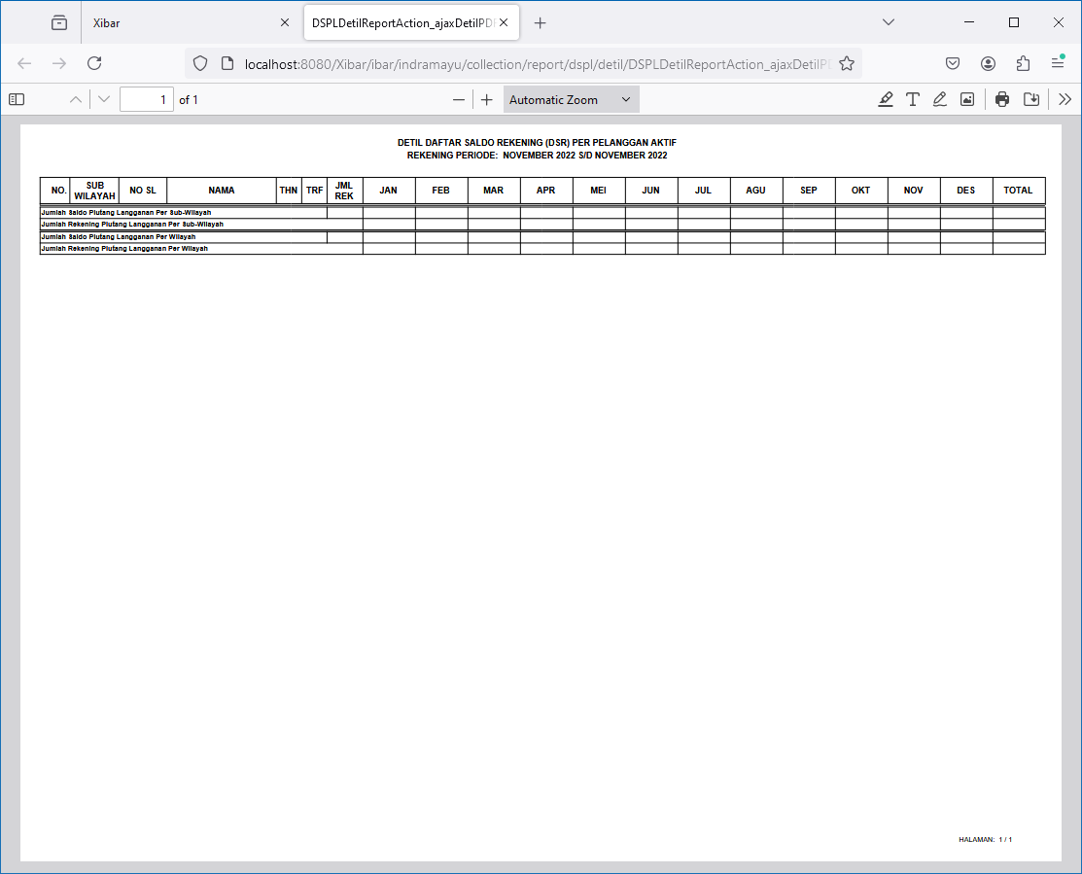

DSR | Non Aktif
http://localhost:8080/Xibar/ibar/indramayu/collection/report/dspl/detil/DSPLDetilReportAction_ajaxDetilPDF.action?aktif=0&tahunAwal=2022&tahunAkhir=2022&bulanAwal=11&bulanAkhir=11&jenisLaporan=1

016

Debt Management | DSPL & DSR | Rekap Sub-Wilayah
http://localhost:8080/Xibar/ibar/indramayu/collection/report/dspl/DSPLReportAction_listSubWilayah.action



DSR | Aktif
http://localhost:8080/Xibar/ibar/indramayu/collection/report/dspl/DSPLReportAction_listSubWilayahPDF.action?aktif=1&tahunAwal=2022&tahunAkhir=2022&bulanAwal=11&bulanAkhir=11&jenisLaporan=1



DSR | Non Aktif
http://localhost:8080/Xibar/ibar/indramayu/collection/report/dspl/DSPLReportAction_listSubWilayahPDF.action?aktif=0&tahunAwal=2022&tahunAkhir=2022&bulanAwal=11&bulanAkhir=11&jenisLaporan=1

017

Debt Management | Laporan Detil & Rekap DSR Bulan Berjalan
http://localhost:8080/Xibar/pages/bill/debtManagement/pelaporan/dsr/DSRAction_listbymonth.action



Detil DSR
http://localhost:8080/Xibar/pages/bill/debtManagement/pelaporan/dsr/DSRAction_ajaxDetilDSRBerjalan.action?zoneId=20&strBulan=11/1/2022




Rekap DSR
http://localhost:8080/Xibar/pages/bill/debtManagement/pelaporan/dsr/DSRAction_ajaxRekapDSRBerjalan.action?zoneId=20&strBulan=11/1/2022

018
Debt Management | Surat Perintah Kerja (SPK) | SPK Pemutusan
http://localhost:8080/Xibar/pages/debtManagement/spk/DebtManagementSpk_list1.action



Double Click



Cetak
http://localhost:8080/Xibar/pages/debtManagement/spk/DebtManagementSpk_ajaxPrint.action?selectedValues=1001001205

Cetak Semua
http://localhost:8080/Xibar/pages/debtManagement/spk/DebtManagementSpk_ajaxPrintAll.action?zoneId=0&areaGroupCode=none&routeGroupCode=none&routeId=none&lembar=-1&billingRp=

Cetak Daftar
http://localhost:8080/Xibar/pages/debtManagement/spk/DebtManagementSpk_ajaxPrintDetail.action?selectedValues=1001001205

Cetak Daftar Semua
http://localhost:8080/Xibar/pages/debtManagement/spk/DebtManagementSpk_ajaxPrintDetailAll.action?zoneId=0&areaGroupCode=none&routeGroupCode=none&routeId=none&lembar=-1&billingRp=

